Sheet1
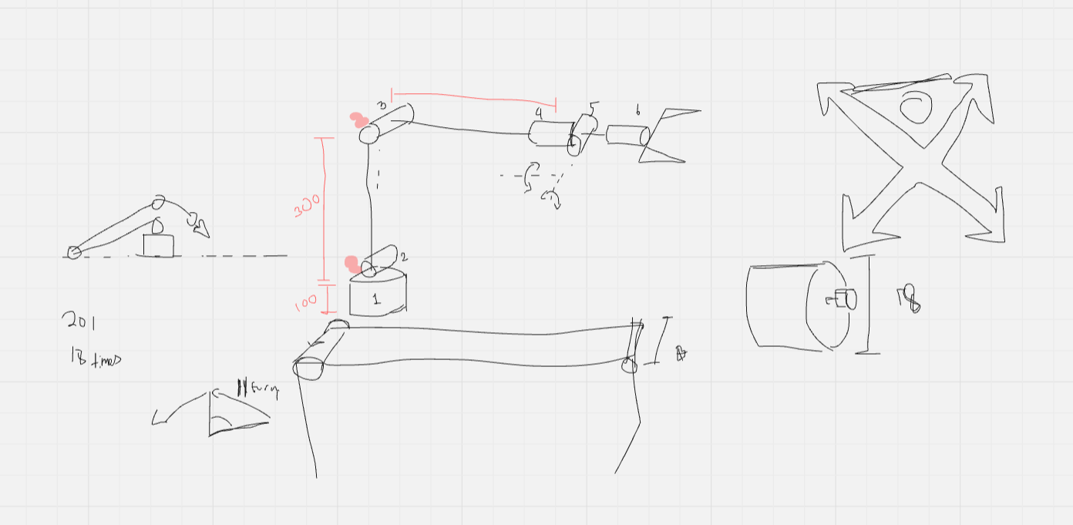
Notes | Quantity | (Not confirmed yet still confirming) | Doc Link | Cost of 1 | Total Cost | Where I got them from:
 | 8 | ST3215 serial servo motors | https://www.waveshare.com/wiki/ST3215_Servo | £21.70 | £173.60 | https://thepihut.com/products/serial-bus-servo-20kg-cm |  | Total Cost: | £318.98 |  | Maybes? |  |  |  | What does it need?
 | 1 | Serial Bus servo driver board | https://www.waveshare.com/bus-servo-adapter-a.htm | £5.00 | £5.00 | https://thepihut.com/products/serial-bus-servo-driver-board |  |  |  |  |  |  |  |  | 7 motors
Check which Rpi | 1 | Raspberry Pi |  | £60.00 | £60.00 |  | Optional |  |  | 1 | Esp32 servo driver | https://www.waveshare.com/servo-driver-with-esp32.htm | £17.30 |  | Filament
Check which camera | 1 | Camera |  | £30.00 | £30.00 |  | Optional |  |  | 2 | 20 pcs 688-2RS Bearing |  | £9.49 | https://www.amazon.co.uk/dp/B0CH2WXRX9?ref_=ppx_hzsearch_conn_dt_b_fed_asin_title_4&th=1 | Camera
Need to check which ratings are good | 1 | 16-30AWG 5 Colors DIY Wire Silicone Tinned Copper Electronic Wire |  |  | £0.00 |  |  |  |  |  |  |  |  |  | Claw Motor
 | 1 | 3P - 5264 Male Female Connector Straight Pin Curved Pin housing |  | £1.73 | £1.73 | https://www.aliexpress.com/item/1005001317326647.html |  |  |  |  |  |  |  |  | Computer
 | 1 | 1m Rpi Camera Cable |  | £4.00 | £4.00 | https://thepihut.com/products/flex-cable-for-raspberry-pi-camera-or-display-1-meter |  |  |  |  |  |  |  |  | Battery
Depends on the camera, might need adapter | 1 | Camera cable joiner for Rpi |  | £3.00 | £3.00 | https://thepihut.com/products/zero-camera-cable-joiner-for-raspberry-pi-22-pin-to-22-pin |  |  |  |  |  |  |  |  | Screws and stuff
Colour doesn’t matter to me, 2 rolls to be safe | 2 | Generic PLA Filament |  |  | £0.00 |  |  |  |  |  |  |  |  |  | Alluminium Extrusion
 | 1 | Generic M3 Bots and Nuts set |  | £7.88 | £7.88 | https://www.amazon.co.uk/Assortment-Stainless-Replacement-Machine-Fastener/dp/B0B3MGZ7T2/ref=sr_1_6?crid=9ARCU7Y28MLT&dib=eyJ2IjoiMSJ9.C4FsLbrPOEs2fHxOGtZx-Yzy25y3h3M5nm3AJqVb8UtL-l5hOJfxSnOtUWey-BzyblwG_oNMk-fuUQVmlwPJtTILvfQP1GJlT-n5zV1bsjICJIG9QTYGIlRVJ5NcdjhPkjEXSBNdAZ5bCQgtHEstEkMyQJP7kh9dYx_3MnHkRD_Zbp2nHn-faxKTCNXUhXx04A9y27RMimfiw3mpRHMv561qt8nZDI-_r9BdiEzBBfv8hpjG_8QnQB1oni_3ql9bHUxEWQ_bjcDldWVL0HPq9iSZK0I7U8dGP-5JMMy4iD0.-_2bx2N9cl4Ar-yZdVNqwQuqJ9hWPbPGkrUGiixozVQ&dib_tag=se&keywords=m3%2Bhex%2Bscrews&qid=1753791385&sprefix=m3%2Bhex%2Bscrews%2Caps%2C82&sr=8-6&th=1
 | 2 | 10 pcs 6706-2RS Bearing |  | £12.89 | £25.78 | https://www.aliexpress.com/item/1005007361806707.html?spm=a2g0o.productlist.main.4.7a265b85879DS0&algo_pvid=13188671-718a-4056-bd7b-57393b720f00&algo_exp_id=13188671-718a-4056-bd7b-57393b720f00-3&pdp_ext_f=%7B%22order%22%3A%22267%22%2C%22eval%22%3A%221%22%7D&pdp_npi=4%40dis%21GBP%214.03%214.03%21%21%2137.46%2137.46%21%40211b680e17537971187271601e7f00%2112000040429559553%21sea%21UK%216141414768%21X&curPageLogUid=KQ3ssTxPUldf&utparam-url=scene%3Asearch%7Cquery_from%3A
 | 1 | 100pcs M3 threaded inserts |  | £7.99 | £7.99 | https://www.amazon.co.uk/HANGLIFE-Threaded-Inserts-Printing-Components/dp/B0CS6VZYL8/ref=sr_1_2_sspa?crid=2CO97LADPPFEZ&dib=eyJ2IjoiMSJ9.lbVPV95BhrJYDjAUEXZD73UM97ZiMGi_1Nb7LF9OI13UMrlWH0Ak4Ta5Fb0GkGZt7t3Ax3jrqnl8mRNuMYaL43VtdnaBJut0XHf_unYSt-nmCgwpjhX6Bvutj6y6iMoHgmckI8SCuMZQXFSjfi6NTtRBUsb6yRBB7RxBzAn1j3xDK9AES_OkFUHSMxIsA-2HHiuZrSxobqvUGjL9Qj7NdQ6x2CJgd9SvtMhtf-mcKcJsOOC_68S7k_c7deVrn-v4H41M-43yP4bD_tB66u-yLqbudyqRl6MpRtCD2Qj2isY.gIt7QyFyezRyhfRmLZ-psPWW1VcSJtFEsy3-Bdh2ifY&dib_tag=se&keywords=m3%2Bthreaded%2Binserts&qid=1753797012&s=industrial&sprefix=m3%2Bthreaded%2Binserts%2Cindustrial%2C84&sr=1-2-spons&sp_csd=d2lkZ2V0TmFtZT1zcF9hdGY&th=1

